Procurement Details
Procument Items | Potential Companies 1 | Potential Companies 2 | Potential Companies 3 | Potential Companies 4 | Potential Companies 5 | Potential Companies 6 | Potential Companies 7 | Potential Companies 8 | Potential Companies 9 | Potential Companies 10 | Other Potential Companies for ALL Items
Horizontal baler | Jewel | Xtpack | Dezhou Qunfeng Machinery Manufacturing Co., Ltd. | Zhangjiagang Wuhe Machinery Co., Ltd | Jiangyin Huake Machinery Equipment Co., Ltd. | Shandong Haina Machinery Equipment Group Co., Ltd. | Well Advanced Technology Co., Ltd | Austropressen | Bramidan | hello baler | Shreeji Machinery (https://www.shreejimachineryindia.com/) Ahmedabad, India Mr. Vinay Parihar Email: shreejimachinery2021@gmail.com Phone: +91-8048619579 Convotech Engineering LLP (https://convotechengg.com/) Ahmedabad, India Mr. Ankit Panchal Email: info@convotechengg.com Phone: +91-8048619640 Orchid Material Handling Solutions Private Limited (https://www.orchidmhs.com/) Pune, India Vaishnavi Kharche Email: sales@orchidmhs.com Phone: +91-8048614141 Tektron Industrial Supplies Ltd (https://tektronindustrial.net/) Address: P. O. Box: 273 00623, Parklands, Nairobi. Contact: Mr. Naren Email ID: naren@tektronindustrial.net Mobile: +254712341122.
Fork lift/ Front loader | Ever-run | Xiamen | LTMG Forklift (Xiamen LTMG Co., Ltd.) | NOELIFT Equipment Co., Ltd. | Jiangsu Huize Intelligent Technology Co., Ltd.
Weighbridge | NITAI GROUP | Quanzhou Wanggong Electronic Scale Co., Ltd. | Fujian Keda Scales Co., Ltd. | Ningbo Optima Scale Co., Ltd. | Shandong Qunfeng Heavy Industry Technology Co., Ltd.
Platform Scale(s) | Changzhou Intelligent Weighing Electronic Co., Ltd. | Quanzhou Wanggong Electronic Scale Co., Ltd. | Fujian Keda Scales Co., Ltd. | Ningbo Optima Scale Co., Ltd. | Shandong Qunfeng Heavy Industry Technology Co., Ltd.
Large Scale Shredder | Maanshang Minglian Machine Blade Factory
De-labeller / Label Remover | Jiangsu Mooge Machine Co., Ltd. | Zheng Zhou Taizy Trading Co., LTD
Solar Power to run 60kWp (no battery) |  |  |  | Any other Model Compatible with the listed ones
Compactor Truck | Canter | Fuso | Isuzu
Vacuum Sweeper Trucks | Canter | Fuso | Isuzu

Compactor

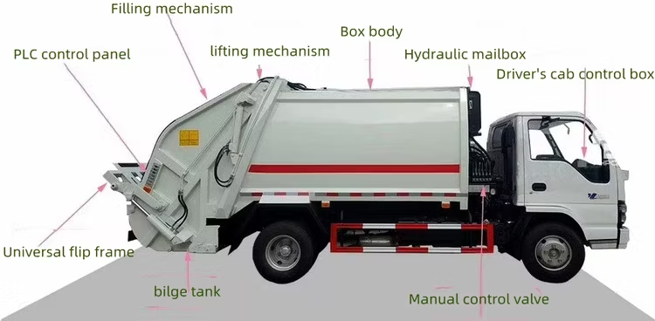

Vacuum Sweeper Trucks
